Title page, Please read!
Department of Medical Sciences
Affinity Proteomics Uppsala
NGI-Uppsala, SNP&SEQ Technology Platform

Sample submission for Olink Reveal
Fill out in the sheet "Address and sample info" with the requested information.
Enter sample names and volumes in the "Samples 96" sheet.
Label the plates with project code and plate number, if other labelling this is specified in the "Plate labelling" sheet.

Filling out the Samples 96 sheet
Enter or paste the sample IDs at the rows corresponding to the correct sample locations on the plate(s).
Allowed characters for naming of samples are A-Z, a-z, 0-9, and - (dash), maximum 25 characters.
No other characters and no whitespace/blank space are valid.
For each sample, specify the sample volume. If you want to add specific important information
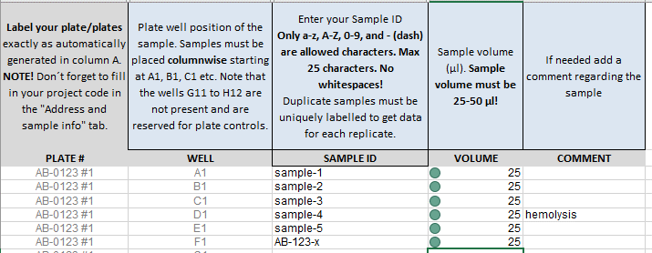
about certain samples, you can do so in the Comment column.

NOTE! 86 samples can be put in each 96-well plate, the plate positions G11, H11, A12, B12, C12, D12, E12, F12, G12 and H12
must always be left empty. These positions are used for internal control samples added by our laboratory staff prior to analysis.

Label your plate/plates
Label your plate with project code and plate number. Makes sure to label your plate on the left short side, see picture below.
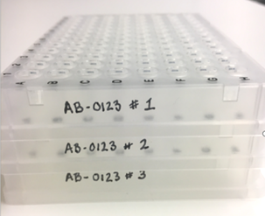

Filling out the Plate labellling sheet
Enter or paste your original plate name that corresponds to the plate numbering in the "Samples 96" sheet in this work book.

Address and samples info
Department of Medical Sciences
Affinity Proteomics Uppsala
NGI-Uppsala, SNP&SEQ Technology Platform

Address and Sample Information |  |  |  |  |  | UV absorbance (A260, OD260)
Please, fill out light grey fields! |  |  |  |  |  | Picogreen/Qubit

 | Contact information to Owner of samples |  |  |  | Handling of samples, communication | Other:
Owner, samples: |  |  |  | Contact:
Project code (from quote)
Address: |  |  |  | Address: |  | Yes
 |  |  |  |  |  | No
Street address: |  |  |  | Street address: |  | Do not know
Postal code, City: |  |  |  | Postal code, City:
Country: |  |  |  | Country:
Email: |  |  |  | Email: |  | H2O
Phone: |  |  |  | Phone: |  | 1XTE

 | Contact information to OlinkExplore project coordinators: |  |  |  |  | Other:
 | Affinity Proteomics Uppsala | NGI-Uppsala, SNP&SEQ Technology Platform |  |  | Address for delivery of samples
Contact: | Mikael Åberg | Ulrika Liljedahl |  | Contact: | Ulrika Liljedahl
Address: | Uppsala University, BMC, Box 392 | Uppsala University, BMC , Box1432 |  | Address: | Uppsala University, Biomedical Centre | Blood
 | Affinity Proteomics Uppsala | SNP&SEQ Technology Platform |  |  | SNP&SEQ Technology Platform | Tissue
Street address: | Husargatan 3 | Husargatan 3 |  | Street address: | Husargatan 3 | Saliva
Postal code, City: | 751 06 Uppsala | 751 44 Uppsala |  | Postal code, City: | 752 37 | Other:
Country: | Sweden | Sweden |  | Country: | Sweden
Email: | explorelab@scilifelab.uu.se | explorelab@scilifelab.uu.se |  | Email: | explorelab@scilifelab.uu.se | genomic DNA
Phone: | Phone: +46 (0)70 425 04 05 | Phone: +46 (0)70 167 94 59 |  | Phone: | Phone: +46 (0)70 167 94 59 | Whole genome amplified

 |  |  |  |  |  | cDNA
General Information
Please note that samples must be delivered in 96-well microtiter plates covered with plastic film properly packed in cellular plastic or similar to avoid them being damaged during the transport. ABgene, AB-0800-L, is our recommended plate type. For plastic cover films we use ABgene, AB-0558. Both products can be obtained from us. If other plate types have been used, please provide a clean plate together with the sample plates! Delivery of samples must be arranged via emial to explorelab@scilifelab.uu.se before shipping to make sure the samples are taken care of upon arrival. |  |  |  |  |  | RNA
Sample Information, (Use drop-down list) |  |  | Select value: | Comment, notes
Sample type: |  |  | Click & Select
Species: |  |  | Click & Select
Handling of samples after project: |  |  | Use drop-down list
Additional information:

Risk assesment of samples (Use drop-down list) |  |  | Select value: | Comment, notes
Have the samples been tested for HIV, Sars-Cov-2, Hepatitis B and C or other blood-borne diseases? |  |  | Click & Select
 |  |  |  |  |  | Will be performed by SNP&SEQ platform
 | Enter specific return adress if appropriate! (The cost for the return is paid by the user.) |  |  |  |  | Will not be performed by SNP&SEQ platform
Name:
Address: |  |  |  |  |  | Yes
Address: |  |  |  |  |  | No
Street address:
Postal code, City:
Country: |  |  |  |  |  | Use drop-down list
Email: |  |  |  |  |  | Dry ice
Phone: |  |  |  |  |  | RT
 |  |  |  |  |  | Other

Clinical Biomarkers / SNP&SEQ Technology Platform notes |  |  |  |  |  | Human
Arrival of samples: |  |  | Date |  | Comment | Other
Samples arrived and unpacked:

