Sample information
IMPORTANT INFORMATION
The information in this form is used to create a workflow for your samples in our LIMS (Laboratory information management system).
Therefore, it is very important that you make sure that all the information in this form is correct.
The SNP&SEQ-Technology Platform will not accept samples if this form has not been completed and sent to us (seq@medsci.uu.se) before the sample delivery.

Important! Never re-use old sample submission forms, always download the latest version from here: |  | http://www.sequencing.se/forms/Sequencing

Please note that both the tabs "Sample information" and "Sample list" in this form needs to be filled in.
The form needs to be sent to us before delivering/shipping the samples: seq@medsci.uu.se
The form and samples will be returned if the form is not properly filled in.

Don´t hesitate to contact us if you need assistance with filling in the form.

SAMPLE INFORMATION | Please, fill in grey fields! | ADDRESS FOR DELIVERY OF SAMPLES
 |  | Samples should be sent frozen on dry-ice
Project code (from Quote) |  | to the following address:

Owner of samples (name) |  | Name of your SNP&SEQ contact person
Owner of samples (email) |  | Uppsala universitet
 |  | SNP&SEQ-teknologiplattformen
Species (Scientific/Latin and common name) |  | Biomedicinskt centrum (BMC)
Kit used for library preparation (name, version, supplier) |  | Husargatan 3
Concentration measured by |  | 752 37 Uppsala
Sample buffer
If sample buffer "Other", please specify

LABEL YOUR PLATE
Label your plate exactly as automatically generated in column A in the tab "Sample list".
Make sure to label your plate on the left shortside, see picture below.
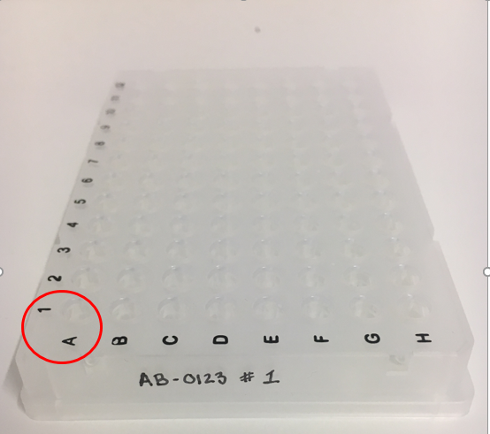

HANDLING OF SAMPLES AFTER PROJECT COMPLETION
Upon completion of the project and delivery of all sequence data, samples and libraries prepared as part of the service will be stored at the SNP&SEQ Platform for one year after delivery of the last dataset.
During this time samples and libraries can be returned upon request of the owner of the samples. After the one year period the samples/libraries will be destroyed without any additional notifications.

